DataVisualisation
Cancer History Distribution Among Smokers and Non-Smokers
 | No | Yes | (blank)
No | 1540 | 307
Yes | 404 | 84
(blank) |  |  | 8
Count of Customer ID | Column Labels
Row Labels | No | Yes | (blank) | Grand Total
No | 1540 | 307 |  | 1847
Yes | 404 | 84 |  | 488
(blank) |  |  | 8 | 8
Grand Total | 1944 | 391 | 8 | 2343

Major Surgeries and Avg HBA1C by Transplant History
 | Sum of NumberOfMajorSurgeries | Average of HBA1C
No | 1417 | 6.6704427202
yes | 162 | 5.1876388889
(blank)

Row Labels | Sum of NumberOfMajorSurgeries | Average of HBA1C
No | 1417 | 6.6704427202
yes | 162 | 5.1876388889
(blank)
Grand Total | 1579 | 6.5789978587

Average Healthcare Charges by Weight and Diabetes Status
 | Diabetes | Normal
Obesity | 13411.324111
Normal |  | 56681.7775

Average of charges | Column Labels
Weight Status | Diabetes | Normal | Grand Total
Obesity | 13411.324111 |  | 13411.324111
Normal |  | 56681.7775 | 56681.7775
Grand Total | 13411.324111 | 56681.7775 | 13559.06787

Average Healthcare Charges by Hospital Tier and State
 | tier - 1 | tier - 2 | tier - 3 | tier-2 | (blank)
R1011 | 33181.28916 | 18997.280692 | 9250.3617857
R1012 | 25800.402344 | 10312.046706 | 10179.941965
R1013 | 31371.853235 | 8459.9776738 | 6857.1091813 | 700
R1014 | 13891.86 | 2395.17 | 16950.485
R1015 | 21523.52 | 16433.907143 | 7570.755
R1016 | 39868.61625 | 16075.963333 | 8133.0084091
R1017 | 34070.595714 | 11365.621875 | 8667.3661538
R1018 | 33475.82 | 10139.553333 | 12570.97
R1019 | 27621.61 | 8116.72 | 12706.976
R1020 |  | 6760.5433333 | 11716.453333
R1021 |  | 7668.1787234 | 11518.785652
R1022 |  | 10102.026667 | 11637.812
R1023 | 18261.7575 | 13457.094583 | 12785.637
R1024 | 32732.187143 | 10174.346 | 13360.978889
R1025 |  | 6886.0368421 | 10510.31381
R1026 | 18709.798 | 11919.607857 | 12296.77973
Unknown | 20996.53
(blank)
Average of charges | Column Labels
State ID | tier - 1 | tier - 2 | tier - 3 | tier-2 | (blank) | Grand Total
R1011 | 33181.28916 | 18997.280692 | 9250.3617857 |  |  | 19557.641802
R1012 | 25800.402344 | 10312.046706 | 10179.941965 |  |  | 11990.384038
R1013 | 31371.853235 | 8459.9776738 | 6857.1091813 | 700 |  | 10538.409349
R1014 | 13891.86 | 2395.17 | 16950.485 |  |  | 13478.056923
R1015 | 21523.52 | 16433.907143 | 7570.755 |  |  | 14489.800769
R1016 | 39868.61625 | 16075.963333 | 8133.0084091 |  |  | 13589.263437
R1017 | 34070.595714 | 11365.621875 | 8667.3661538 |  |  | 14806.107778
R1018 | 33475.82 | 10139.553333 | 12570.97 |  |  | 13272.786667
R1019 | 27621.61 | 8116.72 | 12706.976 |  |  | 13633.143462
R1020 |  | 6760.5433333 | 11716.453333 |  |  | 9238.4983333
R1021 |  | 7668.1787234 | 11518.785652 |  |  | 8933.3781429
R1022 |  | 10102.026667 | 11637.812 |  |  | 10650.521429
R1023 | 18261.7575 | 13457.094583 | 12785.637 |  |  | 13786.149211
R1024 | 32732.187143 | 10174.346 | 13360.978889 |  |  | 12865.1495
R1025 |  | 6886.0368421 | 10510.31381 |  |  | 8788.78225
R1026 | 18709.798 | 11919.607857 | 12296.77973 |  |  | 12489.921071
Unknown | 20996.53 |  |  |  |  | 20996.53
(blank)
Grand Total | 30132.419061 | 11873.628745 | 9450.2732565 | 700 |  | 13559.06787

Correlation Between Age, BMI and HBA1C

A. Age and BMI | -0.2038 | It has weak neg correlation.
B. Age and HBA1C | -0.03144 | Almost no correlation.

Relationship Between Age and Healthcare Charges
 | Age
$563.84 | 30
$570.62 | 30
$600.00 | 29
$604.54 | 30
$637.26 | 24
$646.14 | 21
$650.00 | 30
$650.00 | 27
$668.00 | 20
$670.00 | 25
$687.54 | 21
$700.00 | 23
$722.99 | 23
$750.00 | 20
$760.00 | 29
$760.00 | 26
$770.00 | 29
$770.38 | 26
$773.54 | 27
$830.52 | 18
$865.41 | 22
$896.21 | 29
$915.07 | 28
$928.59 | 27
$964.71 | 21
$1,006.65 | 28
$1,012.00 | 22
$1,019.00 | 23
$1,033.74 | 27
$1,044.00 | 28
$1,047.00 | 20
$1,049.00 | 20
$1,056.00 | 28
$1,068.00 | 29
$1,070.00 | 18
$1,071.00 | 25
$1,082.00 | 24
$1,086.00 | 20
$1,121.87 | 18
$1,131.51 | 18
$1,132.00 | 20
$1,135.00 | 18
$1,135.94 | 18
$1,136.40 | 18
$1,137.00 | 20
$1,137.01 | 18
$1,137.01 | 18
$1,137.47 | 18
$1,141.00 | 21
$1,141.45 | 18
...
Relationship Between Age and Healthcare Charges

Relation Between Age and BMI
 | Age
47.41 | 30
30.36 | 30
34.485 | 29
38.095 | 30
35.53 | 24
32.8 | 21
36.4 | 30
36.96 | 27
41.14 | 20
38.06 | 25
37.7 | 21
42.13 | 23
40.92 | 23
40.565 | 20
36.385 | 29
39.9 | 26
33.8 | 29
36.765 | 26
36.955 | 27
42.9 | 18
36.3 | 22
32.2 | 29
31.3 | 28
41.8 | 27
35.09 | 21
33.88 | 28
30.875 | 22
36.86 | 23
35.86 | 27
37.05 | 28
43.89 | 20
42.35 | 20
31.35 | 28
47.6 | 29
46.2 | 18
32.015 | 25
40.565 | 24
32.45 | 20
34.96 | 18
35.5 | 18
52.58 | 20
35.2 | 18
38.06 | 18
34.21 | 18
38.94 | 20
30.21 | 18
33.63 | 18
40.37 | 18
53.09 | 21
31.79 | 18
...

Relation Between Age and HBA1C
 | Age
7.47 | 30
5.77 | 30
11.87 | 29
6.05 | 30
5.45 | 24
6.59 | 21
6.07 | 30
7.93 | 27
9.58 | 20
10.79 | 25
5.96 | 21
11.9 | 23
8.41 | 23
7.02 | 20
7.59 | 29
11.32 | 26
7.67 | 29
7.29 | 26
4.72 | 27
11.41 | 18
11.5 | 22
6.22 | 29
11.38 | 28
7.89 | 27
4.38 | 21
7.01 | 28
11.88 | 22
5.19 | 23
6.74 | 27
8.44 | 28
8.71 | 20
5.08 | 20
6.86 | 28
5.95 | 29
6.09 | 18
11.75 | 25
7.37 | 24
11.91 | 20
6.52 | 18
5.14 | 18
4.19 | 20
11.68 | 18
6.98 | 18
8.34 | 18
8.49 | 20
5.34 | 18
4.43 | 18
4.47 | 18
4.82 | 21
5.51 | 18
...

Dashboard
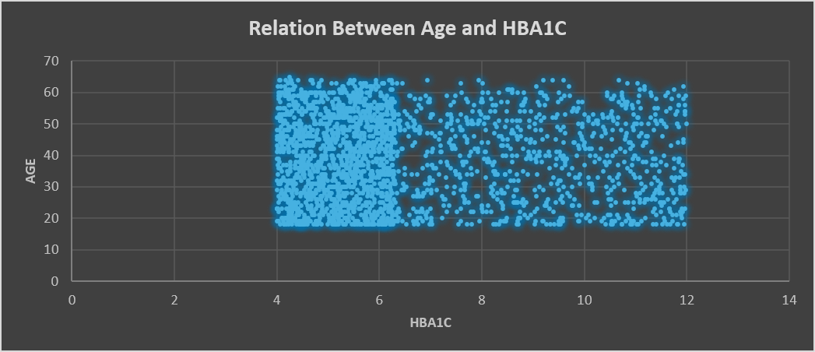
Healthcare Data Analysis Dashboard

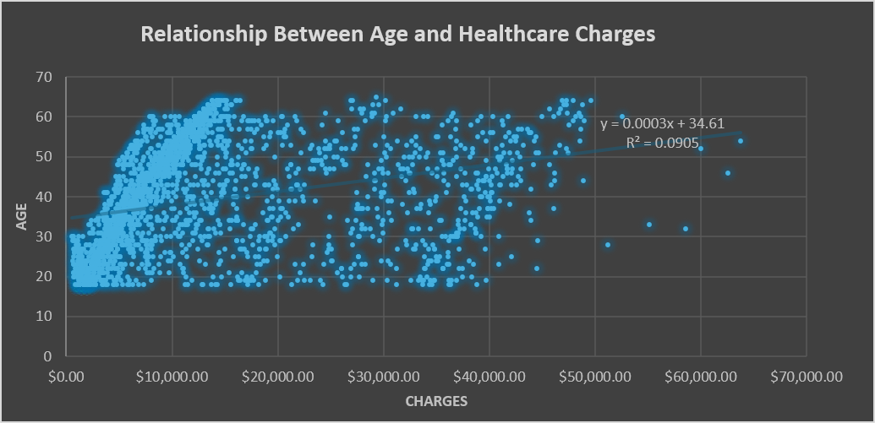
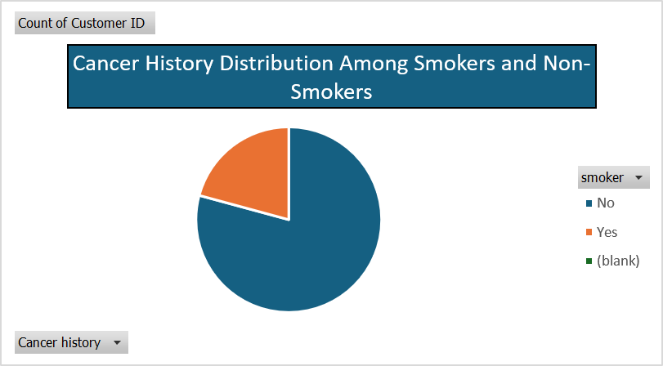

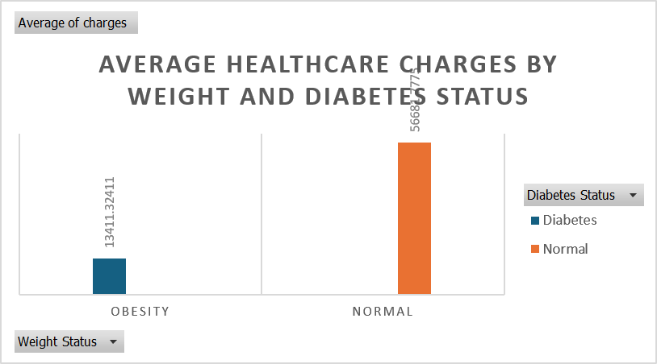
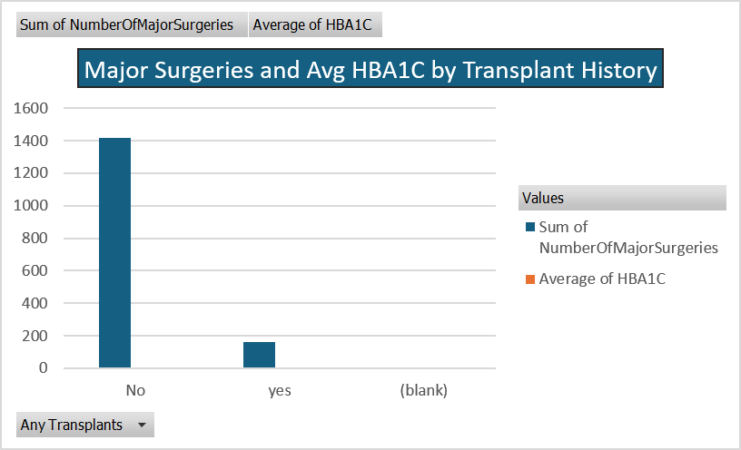
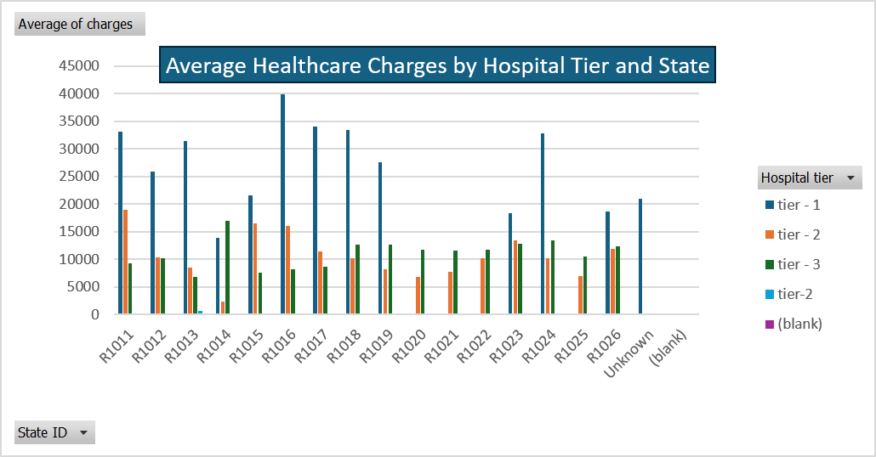

Relation Between Age and BMI
 | Age
47.41 | 30
30.36 | 30
34.485 | 29
38.095 | 30
35.53 | 24
32.8 | 21
36.4 | 30
36.96 | 27
41.14 | 20
38.06 | 25
37.7 | 21
42.13 | 23
40.92 | 23
40.565 | 20
36.385 | 29
39.9 | 26
33.8 | 29
36.765 | 26
36.955 | 27
42.9 | 18
36.3 | 22
32.2 | 29
31.3 | 28
41.8 | 27
35.09 | 21
33.88 | 28
30.875 | 22
36.86 | 23
35.86 | 27
37.05 | 28
43.89 | 20
42.35 | 20
31.35 | 28
47.6 | 29
46.2 | 18
32.015 | 25
40.565 | 24
32.45 | 20
34.96 | 18
35.5 | 18
52.58 | 20
35.2 | 18
38.06 | 18
34.21 | 18
38.94 | 20
30.21 | 18
33.63 | 18
40.37 | 18
53.09 | 21
31.79 | 18
...

